Course Overview
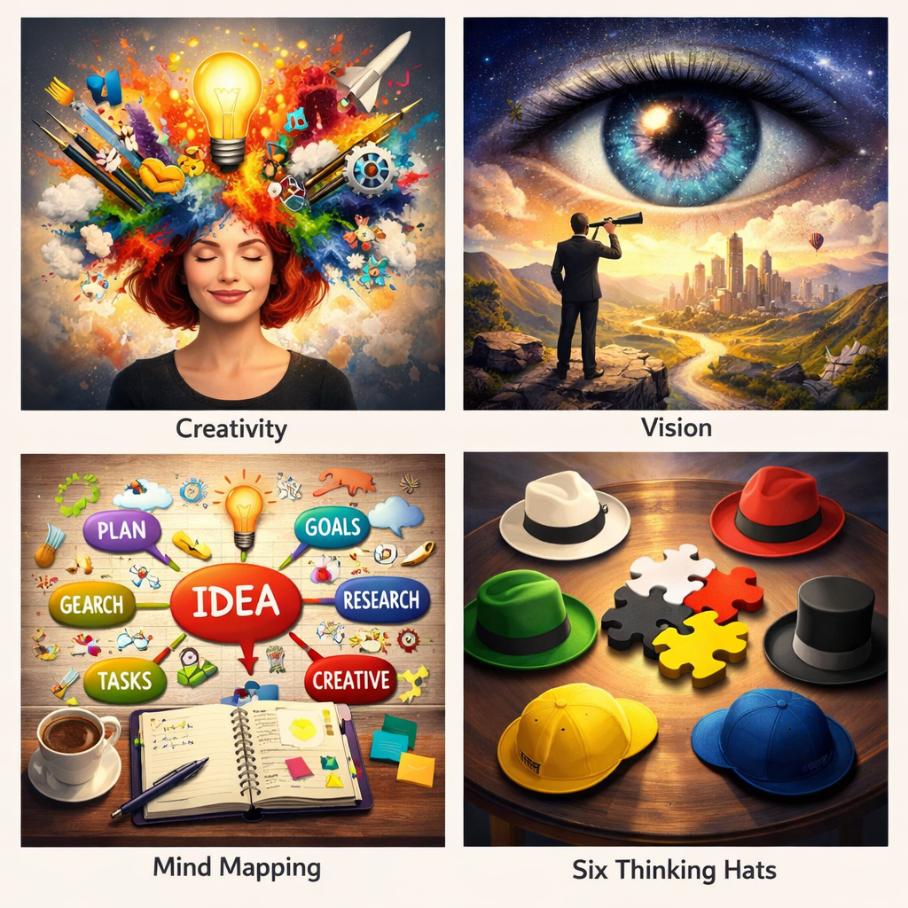
Course Title | Day | Target Audience | Estimated Duration (minutes) | Learning Goal (1 sentence) | Category
Unlocking Creativity & Vision | 9 | women learners | xxx | Awaken your creative potential to solve problems, innovate, and inspire. Through playful exercises and reflection tools, discover new ways to express your authentic style.

